ReasonForAttrition_Filtered_Sor
MonthlyIncome vs. MaskedID
MaskedID | MonthlyIncome
632 | 19847
737 | 19586
234 | 19517
816 | 19331
238 | 19068
30 | 18947
630 | 18789
455 | 18303
621 | 18213
767 | 17875
469 | 17650
524 | 17465
424 | 17444
575 | 17048
120 | 16959
264 | 16872
713 | 16291
236 | 16064
301 | 16015
19 | 15427
415 | 14852
99 | 13872
216 | 13591
296 | 13525
464 | 13320
535 | 13120
353 | 12504
472 | 11904
159 | 10855
489 | 10798
485 | 10686
224 | 10609
701 | 10596
179 | 10453
753 | 10447
602 | 10377
805 | 10368
83 | 10239
640 | 10231
704 | 9998
213 | 9981
743 | 9888
664 | 9852
118 | 9738
471 | 9725
817 | 9713
398 | 9705
360 | 9699
168 | 9419
774 | 9278
132 | 9208
57 | 9069
155 | 8998
584 | 8966
219 | 8865
229 | 8789
521 | 8740
44 | 8726
169 | 8686
139 | 8639
482 | 8396
622 | 8380
344 | 8268
134 | 8189
766 | 8103
298 | 8020
228 | 7918
419 | 7880
819 | 7847
418 | 7823
64 | 7637
322 | 7547
474 | 7525
336 | 7457
116 | 7428
525 | 7351
152 | 7295
416 | 7264
818 | 7083
824 | 7082
393 | 6932
255 | 6931
304 | 6929
677 | 6893
461 | 6861
598 | 6852
794 | 6834
28 | 6825
736 | 6799
509 | 6694
359 | 6653
266 | 6644
754 | 6583
558 | 6578
274 | 6502
332 | 6349
465 | 6347
386 | 6244
707 | 6232
340 | 6214
649 | 6209
665 | 6151
122 | 6146
678 | 6125
700 | 6120
339 | 6118
220 | 5940
138 | 5902
49 | 5772
710 | 5769
548 | 5714
722 | 5675
763 | 5673
417 | 5666
278 | 5605
519 | 5593
307 | 5484
71 | 5473
53 | 5454
92 | 5441
714 | 5406
781 | 5405
40 | 5376
775 | 5368
356 | 5296
262 | 5249
320 | 5228
593 | 5220
93 | 5209
764 | 5204
611 | 5171
553 | 5155
804 | 5087
422 | 5079
688 | 5071
95 | 5010
175 | 5006
97 | 4999
534 | 4968
599 | 4950
373 | 4908
282 | 4907
777 | 4907
355 | 4736
698 | 4724
329 | 4682
145 | 4668
350 | 4649
682 | 4639
412 | 4601
765 | 4591
47 | 4568
283 | 4554
586 | 4539
631 | 4538
321 | 4478
242 | 4465
580 | 4327
77 | 4312
516 | 4302
399 | 4294
98 | 4221
803 | 4187
433 | 4163
768 | 4162
55 | 4157
579 | 4115
674 | 4103
705 | 4078
784 | 4001
239 | 3931
379 | 3294
348 | 2976
564 | 2827
227 | 2793
532 | 2791
293 | 2789
590 | 2678
829 | 2644
363 | 2610
684 | 2534
823 | 2380
468 | 2342
389 | 2329
87 | 2322
827 | 2308
153 | 2306
160 | 2231
477 | 2220
411 | 2157
38 | 2014
302 | 1200
478 | 1052

Dashboard
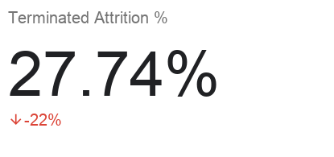
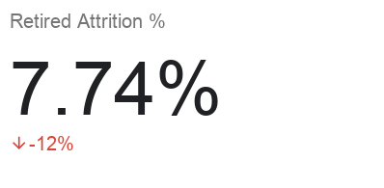
Attrition by OverTime
Employee Attrition Dashboard
Department | ReasonForAttrition
Sales | No Attrition | TRUE | Sort Descending

MonthlyIncome vs. MaskedID

Attrition of JobRole

 |  |  |  | .

